8.5 x 14 (Legal) Template
Title: |  |  |  |  |  |  |  |  |  | Team Leader: |  |  |  |  | Revision #:

Team: |  |  |  |  |  |  |  |  |  | Lean Consultant: |  |  |  |  | Last Update:

 | 1. Background: What Problem are you talking about and why is it a problem? |  |  |  |  |  |  |  |  |  | 5. Experiments: What do you propose to eliminate/reduce the Key Root Causes?
 | There is a disconnect between departments and teams, (At place of work) which results in longer wait time between tasks that cross over from different departments and teams. |  |  |  |  |  |  |  |  |  | List the Potential Solutions:

 |  |  |  |  |  |  |  |  |  |  | Potential Solutions |  | Expected Impact
 |  |  |  |  |  |  |  |  |  |  | Create a more unified department where the leader is in charge of decided styles/system for everyone under them to use. |  | This will eliminate the excess of systems and styles per team/group and enable better function use of time since there will be more similarities between work.
 |  |  |  |  |  |  |  |  |  |  | Determine which of the systems is best and discard the others. |  | This will eliminate the unessary use of multiple systems and allow better data/reporting and communication if everyone is using the same system.
 |  |  |  |  |  |  |  |  |  |  | Establish connection leaders in each deparment and team that are in charge of knoledge between groups. |  | This could give each department or group an insight into what is happening into other groups and eliminate problems where information is unknown.

 | 2. Current Conditions: Where do things stand now, what is the Baseline? |  |  |  |  |  |  |  |  |  | 6. Action Plan: How will you implement the Top Solution(s)?
 | 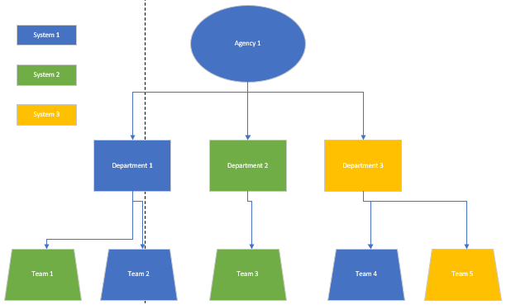 Right now every team has there own way of working, each department has there own systems and ways of working and there is very little cross over. The management between teams, departments and agencies are not communicating other then with the final results of a project. |  |  |  |  |  |  |  |  |  | What | Who |  | When | Status
 |  |  |  |  |  |  |  |  |  |  | Review what department has best performance. | Agency
 |  |  |  |  |  |  |  |  |  |  | Review what department has best team communicaiton. | Agency
 |  |  |  |  |  |  |  |  |  |  | Review what system is used most effeciently. | Agency
 |  |  |  |  |  |  |  |  |  |  | Unify styles among teams | Departments 1,2,3
 |  |  |  |  |  |  |  |  |  |  | Measure current communcation time between department. | Agency
 |  |  |  |  |  |  |  |  |  |  | Re-measure communicaiton time between department with changes above put in place. | Agency

 | 3. Target Conditions (Goal(s)): What specific outcome/goal is desired? |  |  |  |  |  |  |  |  |  | 7. PDSA Plan Next Steps: What should you do next (i.e., what standardize work or what changes to the Plan ?)
 | 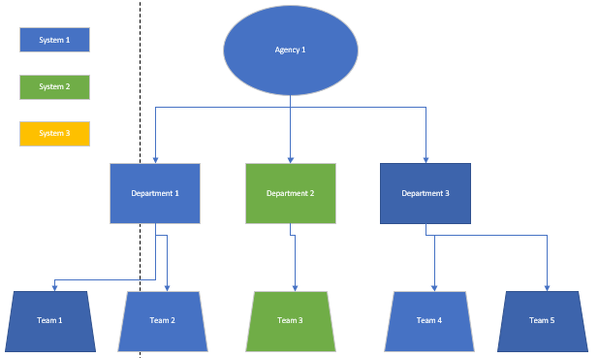 The goal is to have a single way of working per department atleast so that each team in a department is using the same task tracking, emailing convention, notification convention, etc. This will atleast work to fix the disconnect in departments and among similar teams that should be in better communication. This would mean that instead of multiple systems that were all used by different groups there is one system that is used for the bult of all work. |  |  |  |  |  |  |  |  |  | 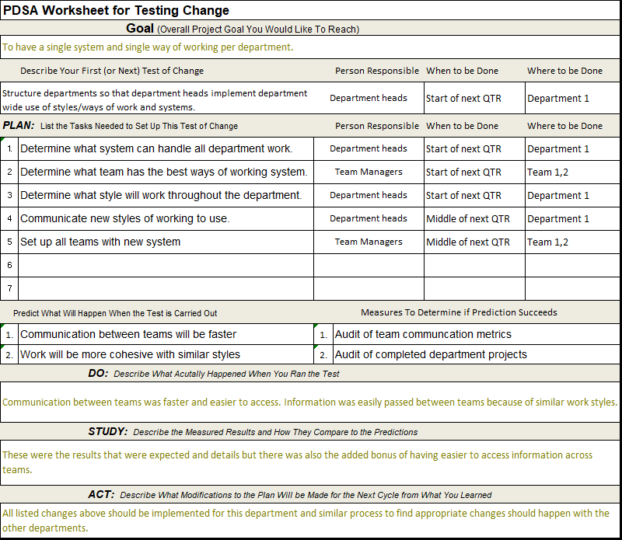 First each department needs to perform there own audit of what systems are being used and therefore gain data about what is the best. Then each team needs to do the same but with ways of working and which is the best. This data will allow each department to make informed decisions on what should be department wide in terms of systems and ways of working. This process is also shown in the PDSA.

 | 4. Gap Analysis: Why does the problem occur?
Process Step ID | Process Step Description | Next Step ID | Connector Label | Shape Type | Alt Text | Column6 | Column7 | Column8 | Column9 | Column10

